Sheet1
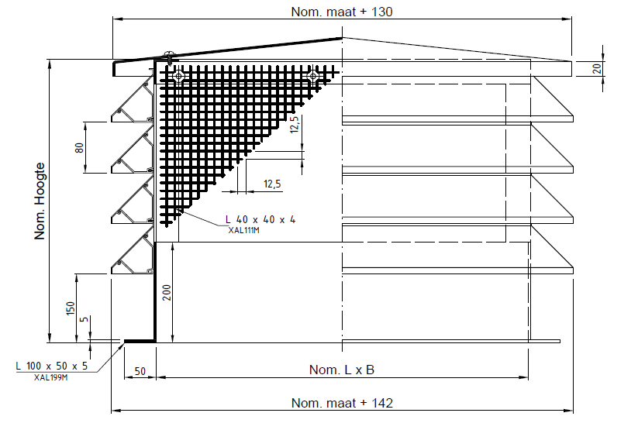
Type | Productsleutel | Kleur | Nom. maat L x B (mm) | Nom. hoogte (mm) | Blades (#) | Af (m²) | Vk aanzuig (m/s) | Debiet (m³/h) | Vk afblaas (m/s) | Debiet (m³/h)
WBP-1 | WBP-3-0-F 400 400 480 | RAL9005M | 400 x 400 | 480 | 4 | 0.20 | 2.00 | 1440 | 3.00 | 2160
WBP-2 | WBP-3-0-F 750 400 560 | RAL9005M | 750 x 400 | 560 | 5 | 0.39 | 2.00 | 2808 | 3.00 | 4212
WBP-3 | WBP-3-0-F 550 550 640 | RAL9005M | 550 x 550 | 640 | 6 | 0.49 | 2.00 | 3528 | 3.00 | 5292
WBP-4 | WBP-3-0-F 1050 550 720 | RAL9005M | 1050 x 550 | 720 | 7 | 0.89 | 2.00 | 6408 | 3.00 | 9612
WBP-5 | WBP-3-0-F 750 750 720 | RAL9005M | 750 x 750 | 720 | 7 | 0.84 | 2.00 | 6048 | 3.00 | 9072
WBP-6 | WBP-3-0-F 1050 750 800 | RAL9005M | 1050 x 750 | 800 | 8 | 1.21 | 2.00 | 8712 | 3.00 | 13068
WBP-7 | WBP-3-0-F 1075 1075 880 | RAL9005M | 1075 x 1075 | 880 | 9 | 1.65 | 2.00 | 11880 | 3.00 | 17820

